Fig S1. C-B11 in 30, 150uM CCCP
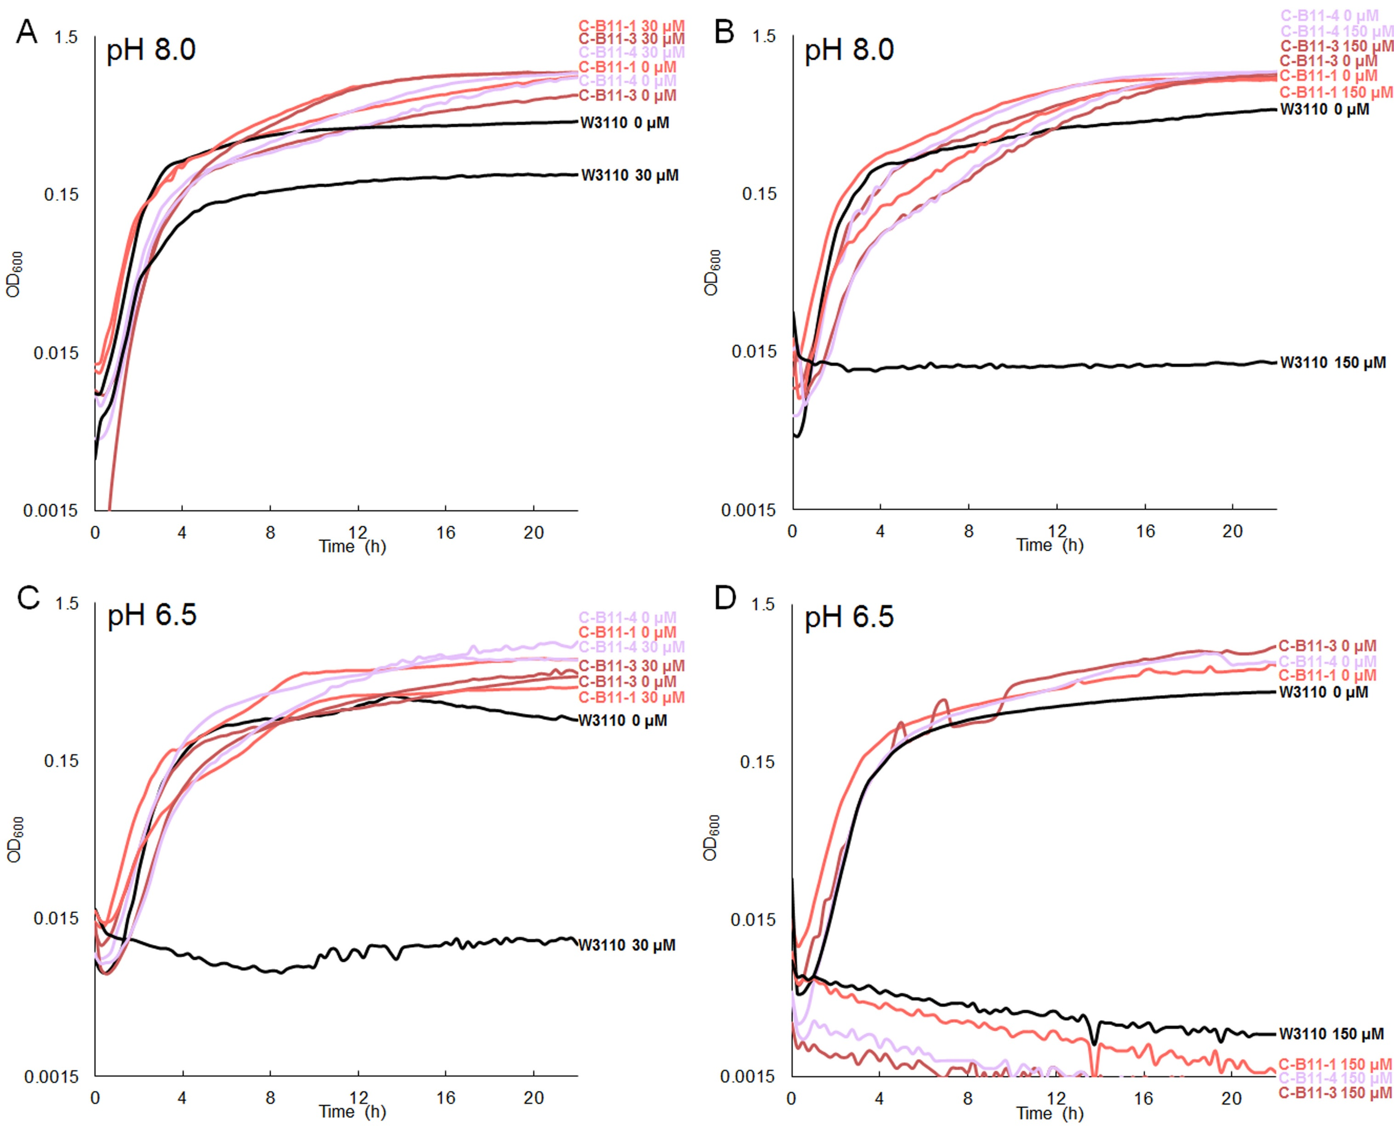

Figure S1. Growth of 1,000 generation CCCP-evolved strain C-B11-1 and 2,000 generation CCCP-evolved strains C-B11-3 and C-B11-4. Media contained LBK 100 mM TAPS pH 8.0 (A) 30 µM CCCP; (B) 150 µM CCCP; and LBK 100 mM Na-PIPES pH 6.5 (C) 30 µM CCCP; (D) 150 µM CCCP compared to growth in no CCCP. In panels (A) and (B), growth of all evolved C-B11 strains in 30 µM CCCP and 150 µM CCCP, respectively, differed significantly from growth of W3110, Tukey's p<0.05. In panels (C) and (D), growth of the evolved C-B11 strains differed significantly only at 30 µM CCCP, but not at 150 µM CCCP.

Fig S2. EtOH & DMSO controls
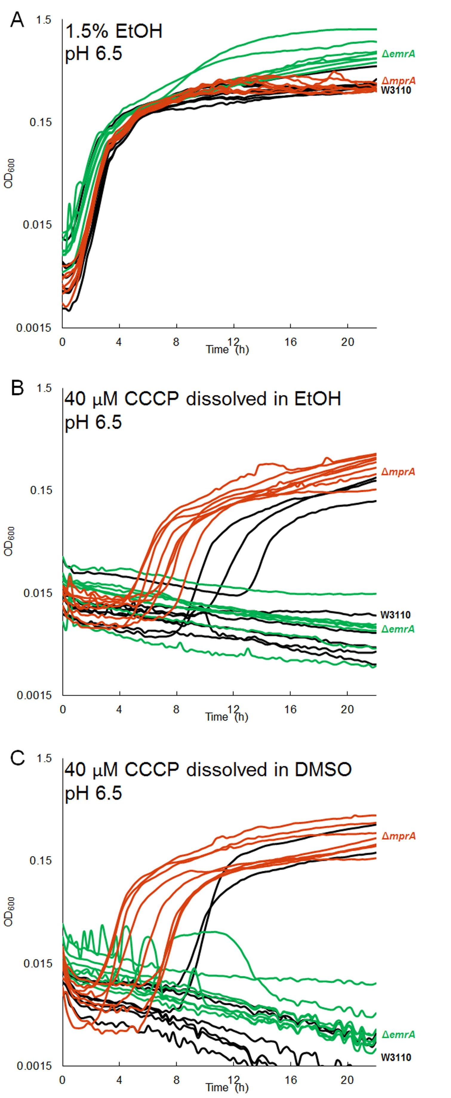

Figure S2. Growth of W3110 ΔmprA::kanR and W3110 ΔemrA::kanR in LBK 100 mM Na-PIPES pH 6.5 (A) 1.5% ethanol compared to growth in LBK 100 mM Na-PIPES pH 6.5 40 µM CCCP dissolved in (B) ethanol and (C) DMSO. In (A) 1.5% ethanol, growth of W3110 ΔemrA::kanR differs significantly from growth of W3110 and growth of W3110 ΔmprA::kanR, Tukey's p<0.05. In both (B) 40 µM CCCP dissolved in ethanol and (C) 40 µM CCCP dissolved in DMSO, growth of W3110 ΔmprA::kanR is significant from growth of both W3110 and W3110 ΔemrA::kanR, Tukey's p<0.05.

Fig S3. DMSO controls
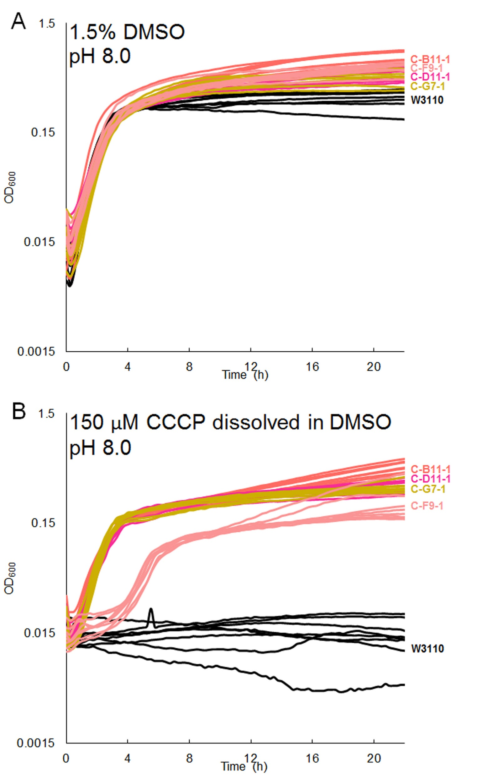

Figure S3. Growth of high-pH CCCP-evolved strains C-B11-1, C-D11-1, C-F9-1, C-G7-1 in LBK 100 mM TAPS pH 8.0 (A) 1.5% DMSO and (B) 150 µM CCCP dissolved in DMSO. In (A) and (B), growth of all evolved strains differs from growth of W3110, Tukey's p<0.05.

